Sheet1
 |  |  |  | Component | Specs | Cost
 |  |  | CPU | AMD RYZEN 7 3700X | 8-Core 3.6 GHz (4.4 GHz Max Boost) Socket AM4 65W 100-100000071BOX Desktop Processor | 273.47
 |  |  | Motherboard | ASUS AM4 TUF Gaming X570-Plus (Wi-Fi) ATX Motherboard with | PCIe 4.0, Dual M.2, 12+2 with Dr. MOS Power Stage, HDMI, DP, SATA 6Gb/s, USB 3.2 Gen 2 and Aura Sync RGB Lighting | 189.99
 |  |  | Memory | CORSAIR Vengeance RGB Pro 16GB (2 x 8GB) | 288-Pin DDR4 DRAM DDR4 3200 (PC4 25600) Desktop Memory Model CMW16GX4M2C3200C16W | 95.99
 |  |  | G-Card | EVGA GeForce RTX 2070 SUPER | KO GAMING Video Card, 08G-P4-2072-KR, 8GB GDDR6, Dual Fans | 509.99
 |  |  | Storage | SAMSUNG 970 EVO M.2 2280 500GB Seagate BarraCuda ST2000DM008 2TB 7200 RPM 256MB Cache SATA 6.0Gb/s 3.5" Hard Drive Bare Drive | PCIe Gen3. X4, NVMe 1.3 V-NAND 3-bit MLC Internal Solid State Drive (SSD) MZ-V7E500BW | 149.99
 |  |  | Power | EVGA SuperNOVA 650 G3, 220-G3-0650-Y1, 80+ GOLD, 650W Fully Modular, EVGA ECO Mode with New HDB Fan, Includes FREE Power On Self Tester, Compact 150mm Size, Power Supply |  | 119.99
 |  |  | Case | Phanteks PH-EC416PTG_BW Eclipse P400 Steel ATX Mid Tower Case Black/White, Tempered Glass Edition Cases |  | 79.99
 |  |  | CPU Cooler | CORSAIR Hydro Series, H100i RGB PLATINUM, 240mm, 2 X ML PRO 120mm RGB PWM Fans, Advanced RGB Lighting & Fan Control w/ Software, Liquid CPU Cooler. CW-9060039-WW. Support: Intel 2066, AMD AM4, TR4 | (Optional) | 159.99
 |  |  | OS
 |  |  | Extra
 |  |  | Total Cost | 1579.4 | Cost w/o Cooler | 1419.41
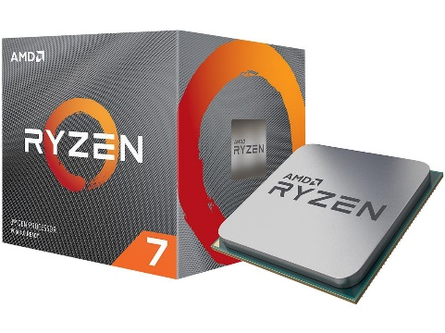
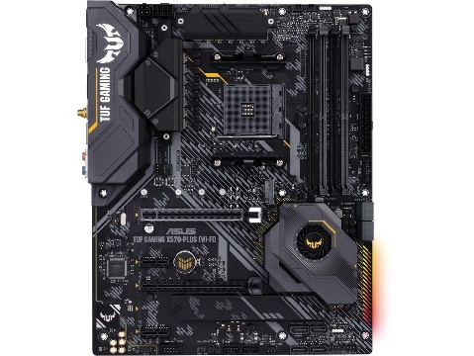
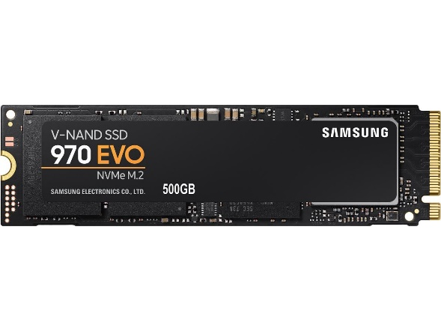
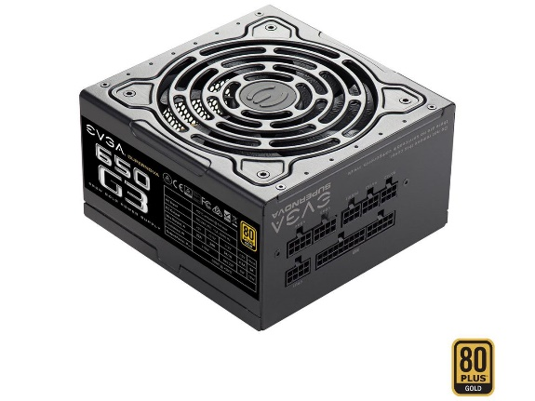
CPU | Mboard |  |  |  | Memory SSD |  | Power

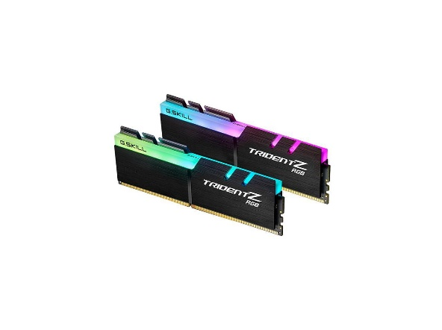
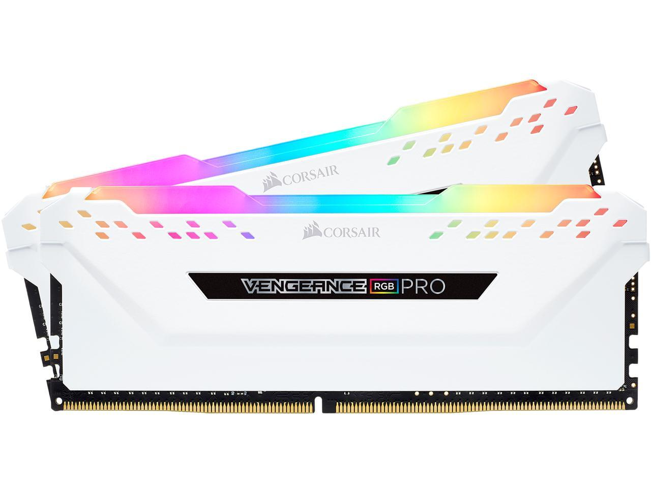
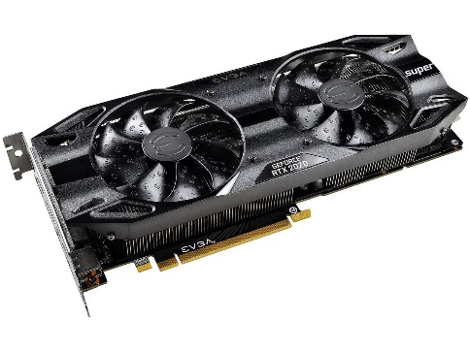

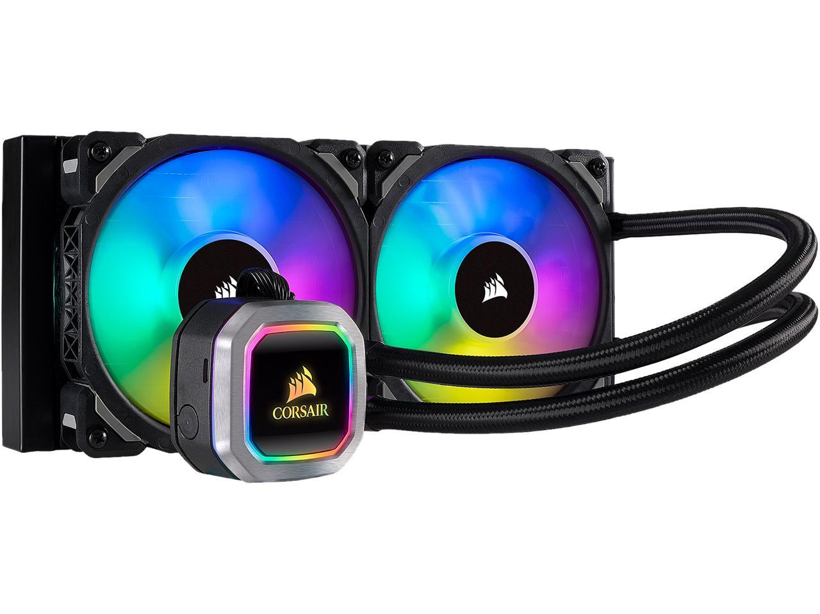
Memory |  | Gcard
 |  |  |  |  | HDD |  | Cooler (optional)

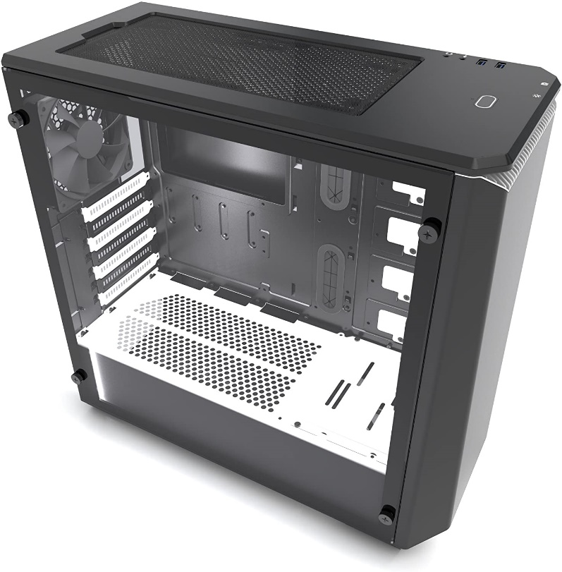
 |  | case

